Data Sheet
Lab Activity 1: The Density of Earth Materials |  |  |  |  |  |  | Name ______________________________
 |  |  |  |  |  |  | Date_______________________
Lab Partner's Name_________________________ |  |  |  |  |  |  | Period ______________
Table 1: Density Chart for Regular Solids
Object | Mass (g) | Length (cm) | Width or Radius (cm) | Height (cm) | Volume (cm3) V = L X W X H or Water Displacement | Volume (cm3) V=Pi*r2*h | Density (g/cm3) | Percent Error | Accepted Value for density g/cm3

rectangle (1) |  |  |  |  |  | Leave Empty |  | Leave Empty
rectangle (2)
rectangle (3)
Copper |  | Leave Empty |  |  |  |  |  |  | 8.94
Brass |  |  |  |  |  |  |  |  | 8.55
Zinc |  |  |  |  |  |  |  |  | 7.05
Tin |  |  |  |  |  |  |  |  | 7.31
Aluminum |  |  |  |  |  |  |  |  | 2.70
Lead |  |  |  |  |  |  |  |  | 11.37

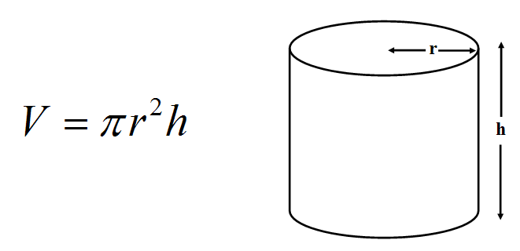
Table 2: Density Chart for Irregular Solids
Solid | Mass Cylinder + Water (g) | Mass Cylinder + Water + Chips (g) | Mass Chips (g) | Volume Water (mL) | Volume Water + Chips (mL) | Volume Chips (cm3) | Density Chips (g/cm3)

5 chips
10 chips
15 chips
20 chips
Answers to lab questions:
1 |  |  |  |  |  | 4

2 |  |  |  |  |  | 5

3 |  |  |  |  |  | 6

Chart1
Density of Rock Chips
0 | 0
5 | 5
10 | 10
15 | 15
20 | 20
25 | 25
30 | 30
35 | 35
40 | 40
45 | 45
50 | 50
55 | 55
60 | 60
65 | 65
70 | 70
75 | 75
80 | 80
85 | 85
90 | 90
95 | 95
100 | 100
105 | 105
110 | 110
115 | 115

Chart2
Density of Rock Chips
0 | 0
5 | 5
10 | 10
15 | 15
20 | 20
25 | 25
30 | 30
35 | 35
40 | 40
45 | 45
50 | 50
55 | 55
60 | 60

